LEE COOPER
 |  |  |  | AUTUMN/WINTER 2025 COLLECTION
 |  |  |  | Client: _ _ _ _ _ _ _ _ _ _ _ _ _ _ _
 |  |  |  | Address: _ _ _ _ _ _ _ _ _ _ _ _ _ _ _

No. | PICTURE | INDEX | TEMA CODE | SIZE | SIZE ASSORTMENT | MATERIAL | SRP HUF | NET PRICE HUF | QUANTITY

AW25 KIDS COLLECTION
140. | 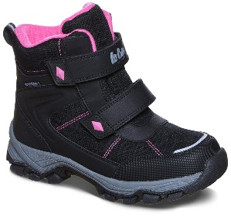 | LCJ-25-01-3755K | 121646 | 28-35 | 1-1-1-1-2-2-2-2 | SYNTHETIC | 22,990.00 HUF | 9,579.00 HUF | 204
141. | 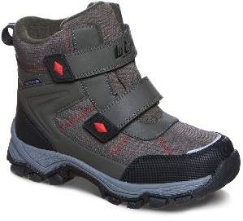 | LCJ-25-01-3756K | 121656 | 28-35 | 1-1-1-1-2-2-2-2 | SYNTHETIC | 22,990.00 HUF | 9,579.00 HUF | 240
142. | 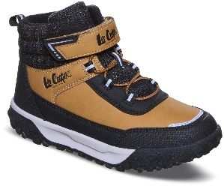 | LCJ-25-01-3757K | 121666 | 28-35 | 1-1-1-1-2-2-2-2 | SYNTHETIC | 19,990.00 HUF | 8,329.00 HUF | 84
143. | 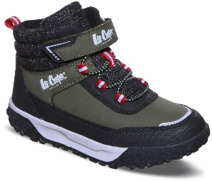 | LCJ-25-01-3758K | 121676 | 28-35 | 1-1-1-1-2-2-2-2 | SYNTHETIC | 19,990.00 HUF | 8,329.00 HUF | 120
144. | 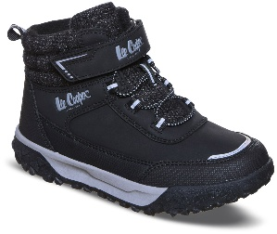 | LCJ-25-01-3759K | 121686 | 28-35 | 1-1-1-1-2-2-2-2 | SYNTHETIC | 19,990.00 HUF | 8,329.00 HUF | 96
254. | 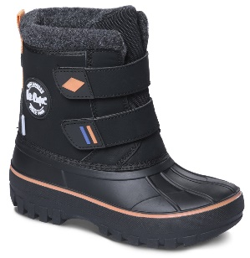 | LCJ-24-44-2865K | 102409 | 28-35 | 1-1-1-1-2-2-2-2 | SYNTHETIC | 17,990.00 HUF | 7,496.00 HUF | 153
260. | 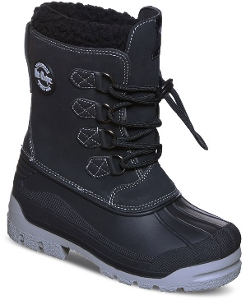 | LCJ-25-44-3943K | 122496 | 28-35 | 1-1-1-1-2-2-2-2 | SYNTHETIC | 17,990.00 HUF | 7,496.00 HUF | 228
261. | 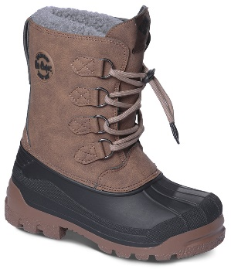 | LCJ-24-44-2842K | 102182 | 28-35 | 1-1-1-1-2-2-2-2 | SYNTHETIC | 17,990.00 HUF | 7,496.00 HUF | 58
358. | 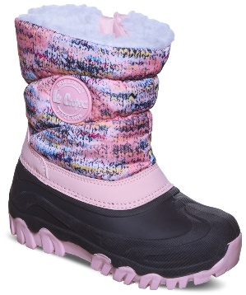 | LCJ-25-10-3770K | 123256 | 28-35 | 1-1-1-1-2-2-2-2 | SYNTHETIC | 16,990.00 HUF | 7,079.00 HUF | 96
360. | 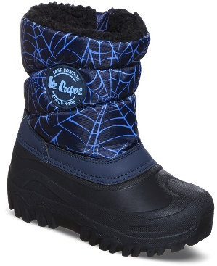 | LCJ-25-10-3772K | 123276 | 28-35 | 1-1-1-1-2-2-2-2 | SYNTHETIC | 16,990.00 HUF | 7,079.00 HUF | 72
362. | 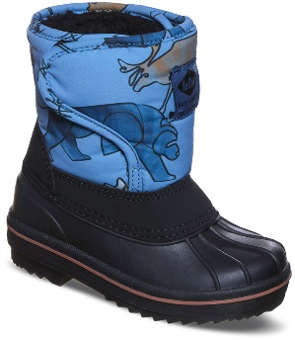 | LCJ-25-10-3774K | 123294 | 25-30 | 2-2-2-2-2-2 | SYNTHETIC | 15,990.00 HUF | 6,663.00 HUF | 108
366. | 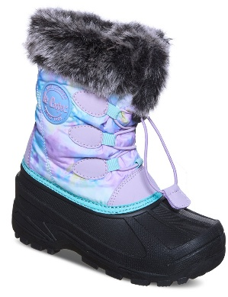 | LCJ-25-10-3778K | 123332 | 28-35 | 1-1-1-1-2-2-2-2 | SYNTHETIC | 16,990.00 HUF | 7,079.00 HUF | 120
369. | 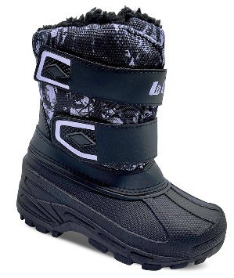 | LCJ-25-10-3781K | 123362 | 28-35 | 1-1-1-1-2-2-2-2 | SYNTHETIC | 16,990.00 HUF | 7,079.00 HUF | 132
370. | 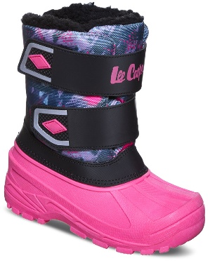 | LCJ-25-10-3782K | 123372 | 28-35 | 1-1-1-1-2-2-2-2 | SYNTHETIC | 16,990.00 HUF | 7,079.00 HUF | 48
375. | 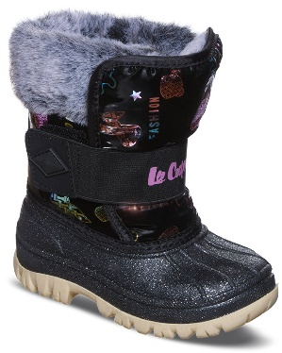 | LCJ-25-10-3787K | 123418 | 25-30 | 1-1-2-2-3-3 | SYNTHETIC | 16,990.00 HUF | 7,079.00 HUF | 84
376. | 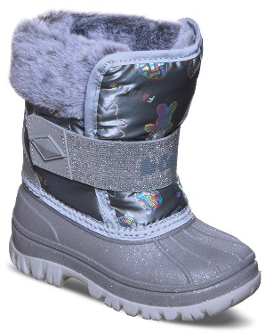 | LCJ-25-10-3788K | 123428 | 25-30 | 1-1-2-2-3-3 | SYNTHETIC | 16,990.00 HUF | 7,079.00 HUF | 132
AW25 LADIES COLLECTION
16. |  | LCJ-25-32-3651LA | 120612 | 36-41 | 1-2-3-3-2-1 | SYNTHETIC | 14,990.00 HUF | 6,246.00 HUF | 161
17. |  | LCJ-25-32-3651LB | 120620 | 37-41 | 1-3-3-3-2 | SYNTHETIC | 14,990.00 HUF | 6,246.00 HUF | 12
20. | 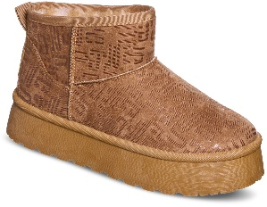 | LCJ-25-32-3653LA | 120642 | 36-41 | 1-2-3-3-2-1 | SYNTHETIC | 14,990.00 HUF | 6,246.00 HUF | 162
22. | 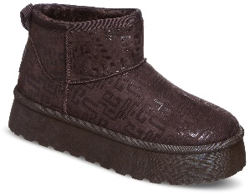 | LCJ-25-32-3654LA | 120657 | 36-41 | 1-2-3-3-2-1 | SYNTHETIC | 14,990.00 HUF | 6,246.00 HUF | 192
24. |  | LCJ-25-32-3655LA | 120672 | 36-41 | 1-2-3-3-2-1 | SYNTHETIC | 14,990.00 HUF | 6,246.00 HUF | 318
25. |  | LCJ-25-32-3655LB | 120680 | 37-41 | 1-3-3-3-2 | SYNTHETIC | 14,990.00 HUF | 6,246.00 HUF | 24
26. |  | LCJ-25-09-3870LA | 120787 | 36-41 | 1-2-3-3-2-1 | PU | 24,990.00 HUF | 10,413.00 HUF | 36
27. |  | LCJ-25-09-3870LB | 120795 | 37-41 | 1-3-3-3-2 | PU | 24,990.00 HUF | 10,413.00 HUF | 36
46. | 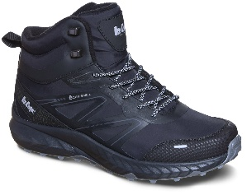 | LCJ-25-01-3710LA | 120937 | 36-41 | 1-2-3-3-2-1 | PU/SOFTSHELL | 24,990.00 HUF | 10,413.00 HUF | 90
47. |  | LCJ-25-01-3710LB | 120945 | 37-41 | 1-3-3-3-2 | PU/SOFTSHELL | 24,990.00 HUF | 10,413.00 HUF | 24
58. |  | LCJ-25-01-3716LA | 121030 | 36-41 | 1-2-3-3-2-1 | PU/SOFTSHELL | 24,990.00 HUF | 10,413.00 HUF | 6
62. |  | LCJ-25-01-3718LA | 121061 | 36-41 | 1-2-3-3-2-1 | PU/SOFTSHELL | 26,990.00 HUF | 11,246.00 HUF | 168
98. | 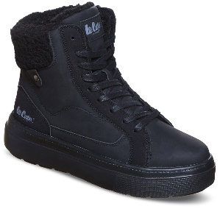 | LCJ-25-01-3734LA | 121331 | 36-41 | 1-2-3-3-2-1 | SYNTHETIC/MESH | 23,990.00 HUF | 9,996.00 HUF | 96
100. | 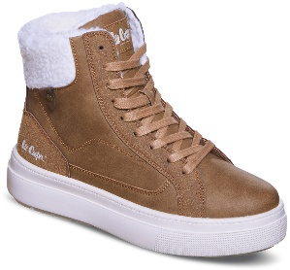 | LCJ-25-01-3735LA | 121346 | 36-41 | 1-2-3-3-2-1 | SYNTHETIC/MESH | 23,990.00 HUF | 9,996.00 HUF | 144
101. |  | LCJ-25-01-3735LB | 121354 | 37-41 | 1-3-3-3-2 | SYNTHETIC/MESH | 23,990.00 HUF | 9,996.00 HUF | 72
102. | 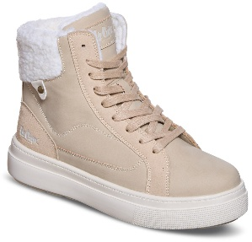 | LCJ-25-01-3736LA | 121361 | 36-41 | 1-2-3-3-2-1 | SYNTHETIC/MESH | 23,990.00 HUF | 9,996.00 HUF | 168
103. |  | LCJ-25-01-3736LB | 121369 | 37-41 | 1-3-3-3-2 | SYNTHETIC/MESH | 23,990.00 HUF | 9,996.00 HUF | 24
104. | 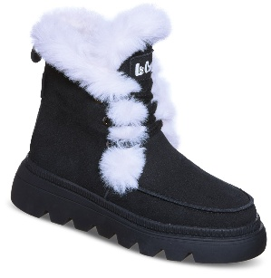 | LCJ-25-01-3737LA | 121376 | 36-41 | 1-2-3-3-2-1 | LEATHER | 32,990.00 HUF | 13,746.00 HUF | 108
106. | 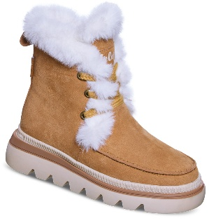 | LCJ-25-01-3738LA | 121391 | 36-41 | 1-2-3-3-2-1 | LEATHER | 32,990.00 HUF | 13,746.00 HUF | 72
107. |  | LCJ-25-01-3738LB | 121399 | 37-41 | 1-3-3-3-2 | LEATHER | 32,990.00 HUF | 13,746.00 HUF | 6
108. | 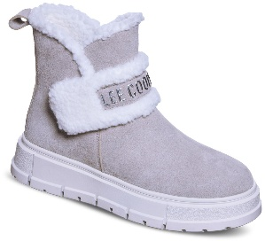 | LCJ-25-01-3739LA | 121406 | 36-41 | 1-2-3-3-2-1 | LEATHER | 30,990.00 HUF | 12,913.00 HUF | 114
109. |  | LCJ-25-01-3739LB | 121414 | 37-41 | 1-3-3-3-2 | LEATHER | 30,990.00 HUF | 12,913.00 HUF | 24
110. | 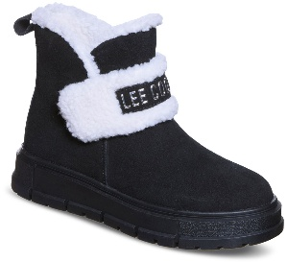 | LCJ-25-01-3740LA | 121421 | 36-41 | 1-2-3-3-2-1 | LEATHER | 30,990.00 HUF | 12,913.00 HUF | 36
111. |  | LCJ-25-01-3740LB | 121429 | 37-41 | 1-3-3-3-2 | LEATHER | 30,990.00 HUF | 12,913.00 HUF | 24
114. | 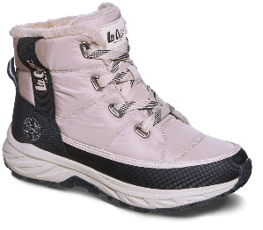 | LCJ-25-01-3742LA | 121451 | 36-41 | 1-2-3-3-2-1 | SYNTHETIC | 24,990.00 HUF | 10,413.00 HUF | 144
115. |  | LCJ-25-01-3742LB | 121459 | 37-41 | 1-3-3-3-2 | SYNTHETIC | 24,990.00 HUF | 10,413.00 HUF | 12
116. | 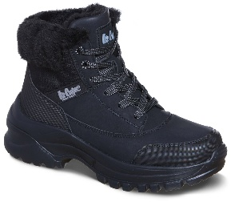 | LCJ-25-01-3743LA | 121466 | 36-41 | 1-2-3-3-2-1 | SYNTHETIC | 23,990.00 HUF | 9,996.00 HUF | 96
117. |  | LCJ-25-01-3743LB | 121474 | 37-41 | 1-3-3-3-2 | SYNTHETIC | 23,990.00 HUF | 9,996.00 HUF | 36
118. | 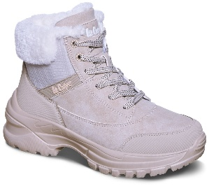 | LCJ-25-01-3744LA | 121481 | 36-41 | 1-2-3-3-2-1 | SYNTHETIC | 23,990.00 HUF | 9,996.00 HUF | 108
126. | 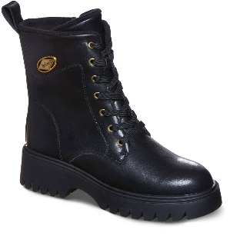 | LCJ-25-01-3748LA | 121541 | 36-41 | 1-2-3-3-2-1 | LEATHER | 30,990.00 HUF | 12,913.00 HUF | 114
127. |  | LCJ-25-01-3748LB | 121549 | 37-41 | 1-3-3-3-2 | LEATHER | 30,990.00 HUF | 12,913.00 HUF | 12
132. | 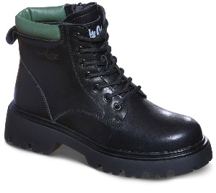 | LCJ-25-01-3751LA | 121586 | 36-41 | 1-2-3-3-2-1 | LEATHER | 28,990.00 HUF | 12,079.00 HUF | 36
133. |  | LCJ-25-01-3751LB | 121594 | 37-41 | 1-3-3-3-2 | LEATHER | 28,990.00 HUF | 12,079.00 HUF | 6
138. | 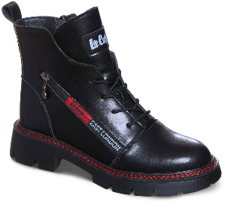 | LCJ-25-01-3754LA | 121631 | 36-41 | 1-2-3-3-2-1 | LEATHER | 31,990.00 HUF | 13,329.00 HUF | 131
139. |  | LCJ-25-01-3754LB | 121639 | 37-41 | 1-3-3-3-2 | LEATHER | 31,990.00 HUF | 13,329.00 HUF | 6
151. | 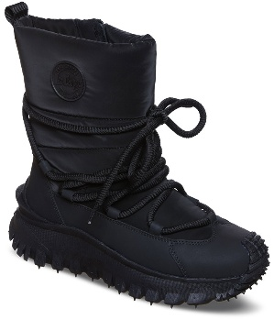 | LCJ-25-12-3660LA | 121701 | 36-41 | 1-2-3-3-2-1 | FABRIC/MIRCROFIER | 32,990.00 HUF | 13,746.00 HUF | 72
157. | 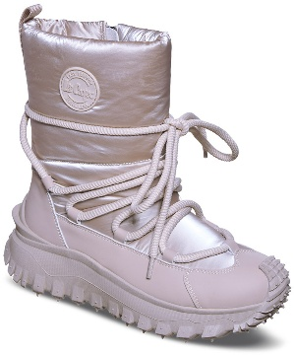 | LCJ-25-12-3663LA | 121746 | 36-41 | 1-2-3-3-2-1 | FABRIC/MIRCROFIER | 32,990.00 HUF | 13,746.00 HUF | 78
237. | 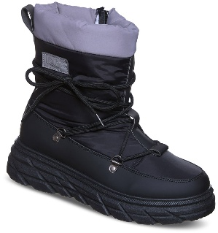 | LCJ-25-44-3930LA | 122336 | 36-41 | 1-2-3-3-2-1 | TEXTILE/SYNTHETIC | 19,990.00 HUF | 8,329.00 HUF | 84
238. |  | LCJ-25-44-3930LB | 122344 | 37-41 | 1-3-3-3-2 | TEXTILE/SYNTHETIC | 19,990.00 HUF | 8,329.00 HUF | 12
239. | 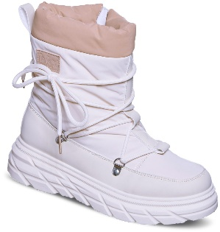 | LCJ-25-44-3931LA | 122351 | 36-41 | 1-2-3-3-2-1 | TEXTILE/SYNTHETIC | 19,990.00 HUF | 8,329.00 HUF | 120
262. | 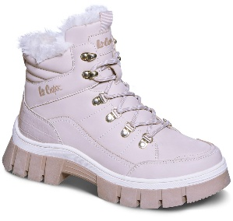 | LCJ-25-31-3910LA | 122506 | 36-41 | 1-2-3-3-2-1 | SYNTHETIC | 27,990.00 HUF | 11,663.00 HUF | 113
263. |  | LCJ-25-31-3910LB | 122514 | 37-41 | 1-3-3-3-2 | SYNTHETIC | 27,990.00 HUF | 11,663.00 HUF | 36
264. | 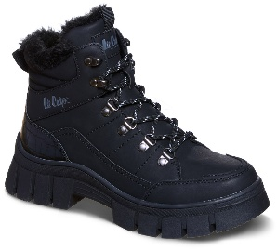 | LCJ-25-31-3911LA | 122521 | 36-41 | 1-2-3-3-2-1 | SYNTHETIC | 27,990.00 HUF | 11,663.00 HUF | 84
265. |  | LCJ-25-31-3911LB | 122529 | 37-41 | 1-3-3-3-2 | SYNTHETIC | 27,990.00 HUF | 11,663.00 HUF | 12
427. | 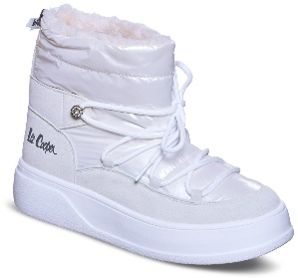 | LCJ-25-03-3815LA | 123826 | 36-41 | 1-2-3-3-2-1 | SYNTHETIC/NYLON | 23,990.00 HUF | 9,996.00 HUF | 144
428. |  | LCJ-25-03-3815LB | 123834 | 37-41 | 1-3-3-3-2 | SYNTHETIC/NYLON | 23,990.00 HUF | 9,996.00 HUF | 24
449. |  | LCJ-25-03-3826LA | 123991 | 36-41 | 1-2-3-3-2-1 | SYNTHETIC/MEMORY FOAM | 22,990.00 HUF | 9,579.00 HUF | 174
450. |  | LCJ-25-03-3826LB | 123999 | 37-41 | 1-3-3-3-2 | SYNTHETIC/MEMORY FOAM | 22,990.00 HUF | 9,579.00 HUF | 84
451. |  | LCJ-25-03-3827LA | 124006 | 36-41 | 1-2-3-3-2-1 | SYNTHETIC/MEMORY FOAM | 22,990.00 HUF | 9,579.00 HUF | 90
452. |  | LCJ-25-03-3827LB | 124014 | 37-41 | 1-3-3-3-2 | SYNTHETIC/MEMORY FOAM | 22,990.00 HUF | 9,579.00 HUF | 96
505. | 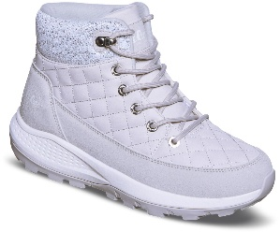 | LCJ-25-03-3854LA | 124419 | 36-41 | 1-2-3-3-2-1 | SYNTHETIC | 24,990.00 HUF | 10,413.00 HUF | 288
506. |  | LCJ-25-03-3854LB | 124427 | 37-41 | 1-3-3-3-2 | SYNTHETIC | 24,990.00 HUF | 10,413.00 HUF | 60
507. | 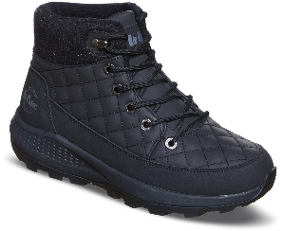 | LCJ-25-03-3855LA | 124434 | 36-41 | 1-2-3-3-2-1 | SYNTHETIC | 24,990.00 HUF | 10,413.00 HUF | 180
508. |  | LCJ-25-03-3855LB | 124442 | 37-41 | 1-3-3-3-2 | SYNTHETIC | 24,990.00 HUF | 10,413.00 HUF | 72
519. | 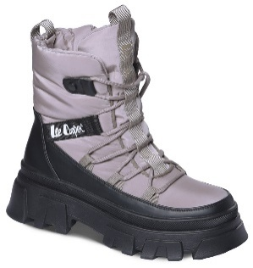 | LCJ-24-47-3143LA | 104622 | 36-41 | 1-2-3-3-2-1 | NYLON /SYNTHETIC | 26,990.00 HUF | 11,246.00 HUF | 210
520. |  | LCJ-24-47-3143LB | 104630 | 37-41 | 1-3-3-3-2 | NYLON /SYNTHETIC | 26,990.00 HUF | 11,246.00 HUF | 6
521. | 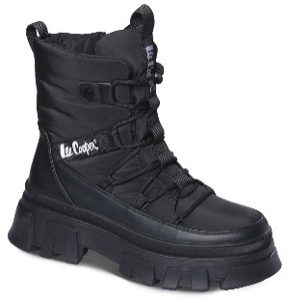 | LCJ-24-47-3144LA | 104637 | 36-41 | 1-2-3-3-2-1 | NYLON /SYNTHETIC | 26,990.00 HUF | 11,246.00 HUF | 204
522. |  | LCJ-24-47-3144LB | 104645 | 37-41 | 1-3-3-3-2 | NYLON /SYNTHETIC | 26,990.00 HUF | 11,246.00 HUF | 66
543. | 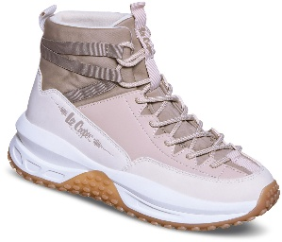 | LCJ-25-47-3990LA | 124674 | 36-41 | 1-2-3-3-2-1 | SYNTHETIC/TEXTILE | 26,990.00 HUF | 11,246.00 HUF | 90
544. |  | LCJ-25-47-3990LB | 124682 | 37-41 | 1-3-3-3-2 | SYNTHETIC/TEXTILE | 26,990.00 HUF | 11,246.00 HUF | 48
AW25 MENS COLLECTION
53. | 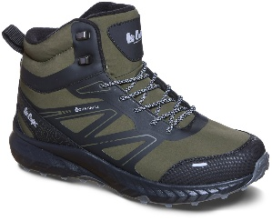 | LCJ-25-01-3713MB | 120991 | 40-45 | 1-2-3-3-2-1 | PU/SOFTSHELL | 25,990.00 HUF | 10,829.00 HUF | 6
64. | 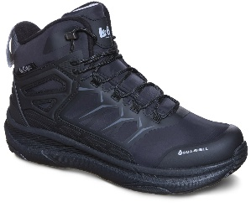 | LCJ-25-01-3719MA | 121076 | 41-46 | 1-2-3-3-2-1 | PU/SOFTSHELL | 26,990.00 HUF | 11,246.00 HUF | 32
70. | 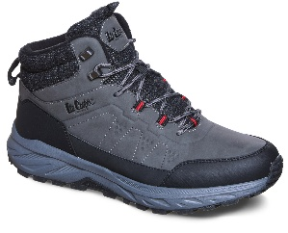 | LCJ-25-01-3722MA | 121123 | 41-46 | 1-2-3-3-2-1 | SYNTHETIC | 24,990.00 HUF | 10,413.00 HUF | 174
72. | 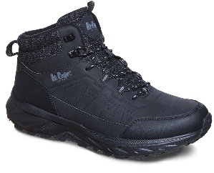 | LCJ-25-01-3723MA | 121139 | 41-46 | 1-2-3-3-2-1 | SYNTHETIC | 24,990.00 HUF | 10,413.00 HUF | 204
74. | 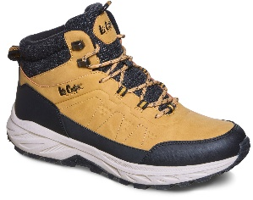 | LCJ-25-01-3724MA | 121155 | 41-46 | 1-2-3-3-2-1 | SYNTHETIC | 24,990.00 HUF | 10,413.00 HUF | 270
76. | 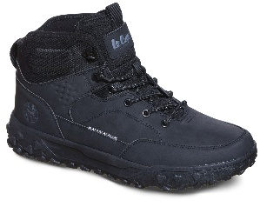 | LCJ-25-01-3725MA | 121171 | 41-46 | 1-2-3-3-2-1 | SYNTHETIC | 22,990.00 HUF | 9,579.00 HUF | 72
78. |  | LCJ-25-01-3726MA | 121187 | 41-46 | 1-2-3-3-2-1 | SYNTHETIC | 22,990.00 HUF | 9,579.00 HUF | 104
80. |  | LCJ-25-01-3727MA | 121203 | 41-46 | 1-2-3-3-2-1 | SYNTHETIC | 24,990.00 HUF | 10,413.00 HUF | 204
145. |  | LCJ-24-01-2952MA | 103432 | 41-46 | 1-2-3-3-2-1 | SYNTHETIC | 21,990.00 HUF | 9,163.00 HUF | 119
147. |  | LCJ-24-01-2951MA | 103416 | 41-46 | 1-2-3-3-2-1 | SYNTHETIC | 21,990.00 HUF | 9,163.00 HUF | 179
149. |  | LCJ-24-01-2950MA | 103400 | 41-46 | 1-2-3-3-2-1 | SYNTHETIC | 21,990.00 HUF | 9,163.00 HUF | 167
280. |  | LCJ-25-31-3919MA | 122642 | 41-46 | 1-2-3-3-2-1 | SYNTHETIC | 28,990.00 HUF | 12,079.00 HUF | 78
282. |  | LCJ-25-31-3920MA | 122658 | 41-46 | 1-2-3-3-2-1 | SYNTHETIC | 28,990.00 HUF | 12,079.00 HUF | 138
298. |  | LCJ-25-33-3954MA | 122783 | 41-46 | 1-2-3-3-2-1 | LEATHER | 29,990.00 HUF | 12,496.00 HUF | 12
302. |  | LCJ-25-33-3956MB | 122815 | 40-45 | 1-2-3-3-2-1 | LEATHER | 31,990.00 HUF | 13,329.00 HUF | 150
310. |  | LCJ-25-33-3960MA | 122879 | 41-46 | 1-2-3-3-2-1 | LEATHER | 30,990.00 HUF | 12,913.00 HUF | 42
312. |  | LCJ-25-33-3961MA | 122895 | 41-46 | 1-2-3-3-2-1 | LEATHER | 30,990.00 HUF | 12,913.00 HUF | 36
313. |  | LCJ-25-33-3961MB | 122903 | 40-45 | 1-2-3-3-2-1 | LEATHER | 30,990.00 HUF | 12,913.00 HUF | 6
318. |  | LCJ-25-33-3964MA | 122943 | 41-46 | 1-2-3-3-2-1 | LEATHER | 30,990.00 HUF | 12,913.00 HUF | 12
319. |  | LCJ-25-33-3964MB | 122951 | 40-45 | 1-2-3-3-2-1 | LEATHER | 30,990.00 HUF | 12,913.00 HUF | 12
322. |  | LCJ-25-33-3966MB | 122975 | 40-45 | 1-2-3-3-2-1 | LEATHER | 29,990.00 HUF | 12,496.00 HUF | 162
323. |  | LCJ-25-33-3966MC | 122983 | 40-45 | 1-1-3-3-2-2 | LEATHER | 29,990.00 HUF | 12,496.00 HUF | 30
324. |  | LCJ-25-33-3967MB | 122991 | 40-45 | 1-2-3-3-2-1 | LEATHER | 29,990.00 HUF | 12,496.00 HUF | 102
325. |  | LCJ-25-33-3967MC | 122999 | 40-45 | 1-1-3-3-2-2 | LEATHER | 29,990.00 HUF | 12,496.00 HUF | 18
383. |  | LCJ-25-03-3793MA | 123486 | 41-46 | 1-2-3-3-2-1 | SYNTHETIC/MEMORY FOAM | 20,990.00 HUF | 8,746.00 HUF | 18
385. |  | LCJ-25-03-3794MA | 123502 | 41-46 | 1-2-3-3-2-1 | SYNTHETIC/MEMORY FOAM | 20,990.00 HUF | 8,746.00 HUF | 246
386. |  | LCJ-25-03-3794MB | 123510 | 40-45 | 1-2-3-3-2-1 | SYNTHETIC/MEMORY FOAM | 20,990.00 HUF | 8,746.00 HUF | 24
387. |  | LCJ-25-03-3795MA | 123518 | 41-46 | 1-2-3-3-2-1 | SYNTHETIC/MEMORY FOAM | 22,990.00 HUF | 9,579.00 HUF | 198
389. |  | LCJ-25-03-3796MA | 123534 | 41-46 | 1-2-3-3-2-1 | SYNTHETIC/MEMORY FOAM | 22,990.00 HUF | 9,579.00 HUF | 90
483. |  | LCJ-25-03-3843MA | 124248 | 41-46 | 1-2-3-3-2-1 | SYNTHETIC/NYLON | 23,990.00 HUF | 9,996.00 HUF | 255
485. |  | LCJ-25-03-3844MA | 124264 | 41-46 | 1-2-3-3-2-1 | SYNTHETIC/NYLON | 23,990.00 HUF | 9,996.00 HUF | 205
AW25 STOCK COLLECTION
 |  | LCJ-24-44-2867LA | 102434 | 36-41 | 1-2-3-3-2-1 | TEXTILE/SYNTHETIC | 17,990.00 HUF | 7,496.00 HUF | 84
 |  | LCJ-24-03-3048LA | 105795 | 36-41 | 1-2-3-3-2-1 | SYNTHETIC | 26,990.00 HUF | 11,246.00 HUF | 24
 |  | LCJ-24-03-3062LA | 106005 | 36-41 | 1-2-3-3-2-1 | SYNTHETIC | 23,990.00 HUF | 9,996.00 HUF | 108
 |  | LCJ-24-03-3062LB | 106013 | 37-41 | 1-3-3-3-2 | SYNTHETIC | 23,990.00 HUF | 9,996.00 HUF | 36
 |  | LCJ-24-03-3063LA | 106020 | 36-41 | 1-2-3-3-2-1 | SYNTHETIC | 23,990.00 HUF | 9,996.00 HUF | 190
 |  | LCJ-24-03-3063LB | 106028 | 37-41 | 1-3-3-3-2 | SYNTHETIC | 23,990.00 HUF | 9,996.00 HUF | 71
 |  | LCJ-24-03-3065LB | 106058 | 37-41 | 1-3-3-3-2 | SYNTHETIC | 23,990.00 HUF | 9,996.00 HUF | 191
 |  | LCJ-24-03-3071LA | 106140 | 36-41 | 1-2-3-3-2-1 | SYNTHETIC | 23,990.00 HUF | 9,996.00 HUF | 25
 |  | LCJ-24-03-3071LB | 106148 | 37-41 | 1-3-3-3-2 | SYNTHETIC | 23,990.00 HUF | 9,996.00 HUF | 12
 |  | LCJ-24-03-3073LA | 106170 | 36-41 | 1-2-3-3-2-1 | SYNTHETIC | 23,990.00 HUF | 9,996.00 HUF | 120
 |  | LCJ-24-47-3157LB | 104840 | 37-41 | 1-3-3-3-2 | NYLON /SYNTHETIC | 22,990.00 HUF | 9,579.00 HUF | 60
 |  | LCJ-24-01-2948MA | 103368 | 41-46 | 1-2-3-3-2-1 | SYNTHETIC | 22,990.00 HUF | 9,579.00 HUF | 118
 |  | LCJ-21-44-0526K | 43326 | 22-27 | 1-2-2-2-2-3 | TEXTILE/PU | 10,990.00 HUF | 4,579.00 HUF | 36
 |  | LCJ-22-31-1450LA | 54478 | 36-41 | 1-2-3-3-2-1 | PU | 22,990.00 HUF | 9,579.00 HUF | 48
 |  | LCJ-22-31-1450LB | 54486 | 37-41 | 1-3-3-3-2 | PU | 22,990.00 HUF | 9,579.00 HUF | 60
 |  | LCJ-22-33-1466M | 53457 | 40-45 | 1-1-2-3-3-2 | LEATHER | 15,990.00 HUF | 6,663.00 HUF | 9

 | ....................................................................... |  |  |  |  | .......................................................................
 | (Customer's signature) |  |  |  |  | (Trader's signature)

